Instructions
 |  | Version 1 April 2016
Introduction to the Access Program The English Access Microscholarship Program (Access) provides a foundation of English language skills to bright, economically disadvantaged students primarily 13- to 25-year-olds worldwide through after-school classes and intensive sessions in their countries. Access programs expose students to U.S. culture and democratic values, improve the students’ potential to participate successfully in the socio-economic development of their countries, and increase their chances of competing for and participating in future U.S. exchange and study programs. Potential In-Country Educational Service Provider (Provider) must review the Official Access Handbook from the Office of English Language Programs in Washington D.C. All Providers should demonstrate the ability to meet all program requirements prior to submitting an application to administer a local Access Program.
Please “like” us on https://www.facebook.com/AccessProgramHQ.

General Instructions After opening the proposal, use the key below to help navigate the proposal through each of the 12 data sheets.
Types of Text
RED text - Red text indicates primary instructions the provider should use to fill out the proposal.
Example:

GREY text - Grey text expands on instructions and offers additional guidance.
Example:

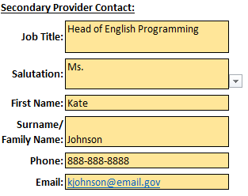
Types of Fields Providers can type information into cells which are colored yellow. Cells with arrows indicate a dropdown where providers can select specific information.
Example:

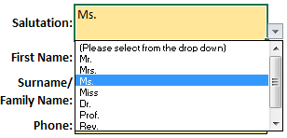

A checkbox is selected when a certain condition applies to the provider. Click the white space to select or unselect.
Example:
 | (Example of an unselected checkbox)

 | (Example of a selected checkbox)

Text boxes highlighted in grey are fields which are auto-calculated. Providers cannot enter any information in these cells as they are locked; however they must validate this information.
Example:

Black space indicates the boundary of each step. This indicates that there are no questions to respond to before moving on to the next step.
 | 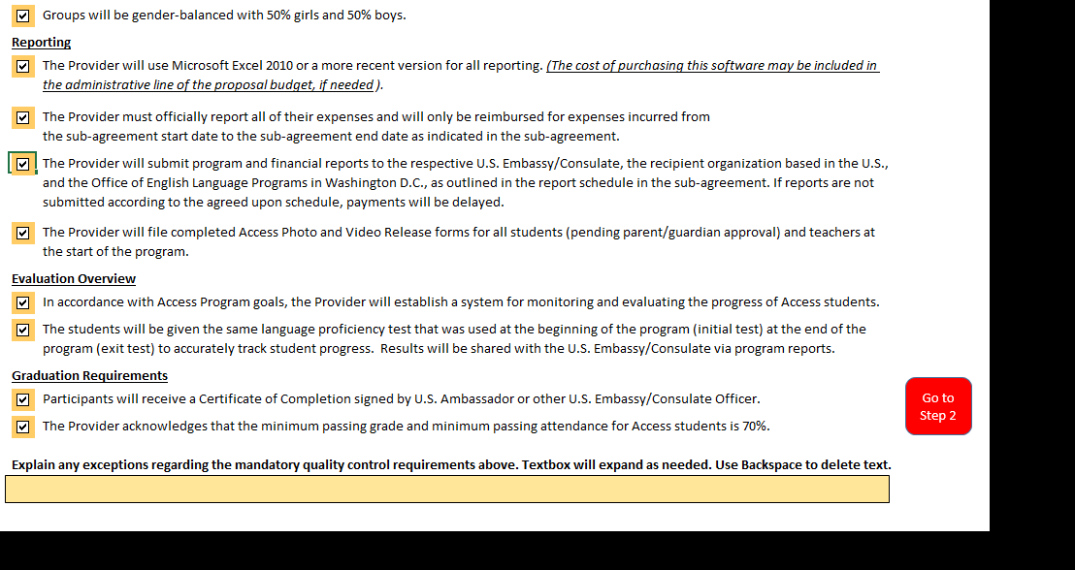
Navigating Between Steps
Once all necessary fields have been correctly entered in each Step, clicking the “Go To Step” button will navigate through the proposal in sequential order.

Returning to any previous step is done through clicking the sheet name at the bottom of the workbook. If some sheets are not visible, use the arrow buttons to tab over to the desired sheet of the excel workbook.

Printing the Workbook

The proposal is formatted to be printer-friendly. In order to print a hardcopy for reference, open print options and select print entire workbook (pictured below). This will print every step of the proposal as one file.

Step 1-Access Requirements
The English Access Microscholarship Program (Access) Quality Control Requirements By completing and submitting this proposal, the Provider understands and agrees to each of the mandatory quality control requirements below. If selected, this proposal document will be incorporated in the sub-agreement.

Please read and check the boxes below to signify that the Provider understands and agrees to the following:

Access Handbook Review
 | The Provider has received and reviewed a copy of the Official Access Handbook from the Office of English Language Programs in Washington D.C. Note: There will be updates to the handbook throughout the course of the program. Please contact your Embassy for the latest edition.

English Language Instruction
 | Participants will receive the proposed hours of instruction over the course of the program.

U.S. Culture and Values Enhancement Activities
 | U.S. Culture and Values Enhancement Activities occur at least once a quarter throughout the program and include the following elements:

 | Course topics relating to U.S. Culture and Values (Minimum of 3 required)

 | Personal Development (Minimum of 2 required)

 | Community Service (Minimum 2 required)

Program Participants
 | All students will be bright, economically-disadvantaged youth.

 | Students will not be younger than 13 years old on the first day of class.

 | Students will not be older than 25 years old on the first day of class.

 | Participants will receive a Certificate of Award signed by U.S. Ambassador or other U.S. Embassy/Consulate Officer.

Class Size and Gender-Balance
 | Groups will have between 12 and 25 students per class.

 | Groups will be gender-balanced with 50% girls and 50% boys.

Reporting
 | The Provider will use Microsoft Excel 2010 or a more recent version for all reporting. (The cost of purchasing this software may be included in the administrative line of the proposal budget, if needed).

 | The Provider must officially report all of their expenses and will only be reimbursed for expenses incurred from the sub-agreement start date to the sub-agreement end date as indicated in the sub-agreement.

 | The Provider will submit program and financial reports to the respective U.S. Embassy/Consulate, the recipient organization based in the U.S., and the Office of English Language Programs in Washington D.C., as outlined in the report schedule in the sub-agreement. If reports are not submitted according to the agreed upon schedule, payments will be delayed.

 | The Provider will file completed Access Photo and Video Release forms for all students (pending parent/guardian approval) and teachers at the start of the program.

Evaluation Overview
 | In accordance with Access Program goals, the Provider will establish a system for monitoring and evaluating the progress of Access students.

 | The students will be given the same language proficiency test that was used at the beginning of the program (initial test) at the end of the program (exit test) to accurately track student progress. Results will be shared with the U.S. Embassy/Consulate via program reports.

Go to Step 2
Graduation Requirements
 | Participants will receive a Certificate of Completion signed by U.S. Ambassador or other U.S. Embassy/Consulate Officer.

 | The Provider acknowledges that the minimum passing grade and minimum passing attendance for Access students is 70%.

Explain any exceptions regarding the mandatory quality control requirements above. Textbox will expand as needed. Use Backspace to delete text.

 |  | not selected
 |  | 6 months
 |  | 1 year
 |  | 18 months
 |  | 2 years

Step 2-Provider Info
IN-COUNTRY EDUCATIONAL SERVICE PROVIDER INFORMATION

1. Enter information for the Provider organization that will oversee the proposed Access Program. Make sure to list the full, legal name of the organization and ensure that it matches the name associated with the DUNs Number. If the Provider’s proposal is approved for funding, the Sub-agreement for this program will be issued to the Name of Provider Institution entered below.
If the Institution Name registered with the DUNS Number is different than listed below, please see instruction on how to update Institution Name registered with the DUNS Number.
Name of Provider Institution:

DUNS Number: Before entering any data please read Page 6 of the Provider Guidelines

In-Country Provider Information |  |  | Provider Signatory Contact: |  | Secondary Provider Contact:

Address Line 1: |  |  | Job Title: |  | Job Title:

Address Line 2: |  |  | Salutation: | (Please select from the drop down) | Salutation: | (Please select from the drop down)

City: |  |  | First Name: |  | First Name:

Province/State: |  |  | Surname/ Family Name: |  | Surname/ Family Name:

Postal Code: |  |  | Phone: | (Please include country code) | Phone: | (Please include country code)

Country: |  |  | Email: |  | Email:

Website: |  | Optional

Headquarter Provider Information (if applicable) |  |  | Provider Headquarter Contact (if different from above):

Address Line 1: |  |  | Job Title:

Address Line 2: |  |  | Salutation:

City: |  |  | First Name:

Province/State: |  |  | Surname/ Family Name:

Postal Code: |  |  | Phone: | (Please include country code)

Country: |  |  | Email:

Go To Step 3
Provider Background
2. Provide a brief history of the Provider outside of the proposed Access Program. Include information regarding the Provider’s capacity to run the proposed Access Program. Also provide an overview of the teachers’ qualifications who will be instructing Access students (for example, degree requirements, minimum years of teaching experience, etc.).
Either type text directly or copy/paste text from a Word Document into the box below. The box below will expand as text is added. Use Backspace to delete text.

 | (Please select from the drop down)
 | Mr.
 | Mrs.
 | Ms.
 | Miss
 | Dr.
 | Prof.
 | Rev.
 | Sister

Step 3-Program Info
PROPOSED PROGRAM INFORMATION
Proposed Start and End Dates

What is the estimated start date? (Start date is first day any work begins including, but not limited to, planning, advertising, recruitment, instruction, etc.) |  |  | What is the estimated end date? (End date is last day all work is completed including, but not limited to, certificate ceremonies, wrap-up activities, etc.)

1. Proposed Sub-agreement Start Date: |  |  | 2. Proposed Sub-agreement End Date:

Note: Proposed sub-agreement start and end dates are not final until a fully signed sub-agreement is issued. Provider may not incur any costs before the start date of a fully signed sub-agreement, nor after the sub-agreement end date.

What is the estimated date instruction will begin? |  |  | What is the estimated date instruction will end?
...
Distinguishing Features
 | Proposed program exclusively designed for Access students.

 | Proposed program designed for Access students and students from the Provider's regular classes.

Computer Instruction (optional)
Whenever possible, computer instruction should complement English language instruction and enhancement activities.

6. If the Provider plans to offer computer instruction, indicate which type(s) (computer classes, multimedia learning, and/or social media activities) by checking the box.

Computer Classes
Multimedia Learning
Social Media Activities
 |  | Note: All options for computer instruction are strongly suggested but may not be applicable to the Provider’s proposed Access Program.

Textbooks
7. Provide the title and edition of the American English textbook(s) that will be used during the proposed Access Program.
Textbook 1:
Textbook 2:
Textbook 3:
Textbook 4:
Textbook 5:

Go To Step 4
8. Provide a brief description of how the selected textbooks contain information to assist in teaching U.S. Culture and Values (e.g. chapter or unit titles, unit activities, etc.). If applicable, list examples of supplemental resources and materials that will be used such as film titles, book titles, and magazine or newspaper titles. For classroom resources please visit the U.S. Department of State website for professionals teaching English as a foreign language: http://americanenglish.state.gov.
...

Step 4- After School Program
...
Go To Step 5
...

Step 5-After School Hrs & Sites
...
 |  | 2. Check the box for days of the week that After School classes will be held.
Estimated Weekly Hours
...
Go To Step 6
...
 | 4. Verify Numbers are correct in SUMMARY Table below. If correct, Click the red button to go to Step 6.
 | SUMMARY
 |  |  |  | Total Number of Students: | 0
 |  |  |  | Total Number of After School Site Locations: | 0

 |  |  |  | Total Number of Groups: | 0
 |  |  |  | After School Instruction Hours Per Group (Cell D13): | 0.0
 |  |  |  | Total After School Instruction Hours Delivered: | 0.0

 |  | Provider Facility used for Instruction? check if yes | Proposed Number of Students at each Site | Number of groups at each Site | Average per group (between 12-25)
 |  |  | 30 | 2 | 15
...

Step 6-Student Instruction Hrs
PROPOSED INSTRUCTION HOURS PER STUDENT

 | 1. Will there be Intensive Session(s)? | Select | 2. In the yellow box, enter Intensive Session Instruction Hours each group of students will receive. This will allow the table below to calculate the total Instruction Hours (After School Program, + Intensive Instruction Sessions) students will receive during the duration of the Access Program.
Stop! Go to Step 9
Go To Step 7

After School Program Facility Name |  |  | After School Program City | Proposed Number of Students | After School Instruction Hours | Intensive Session Instruction Hours | Total Instruction Hours per Student
eg | English Language Center |  | Miami | 30 | 320 | 50 | 370
1 |  |  |  |  |  |  |  | Select
2 |  |  |  |  |  |  |  | Yes
3 |  |  |  |  |  |  |  | No
4
5
6
7
...

Step 7- Intensive Sessions Desc
...
Go To Step 8

Yes
...

Step 8-Intensive Sessions Info
...
Go To Step 9
...
 |  |  | 2. Verify Number are correct in SUMMARY table below.
 |  |  | SUMMARY
 |  |  |  |  | Number of Intensive Session Type/Location: | 0
 |  |  |  |  | Total Intensive Instruction Hours to be Delivered: | 0.0
 |  |  | This table will update information entered as information is added below.

Intensive Session Type (Choose One from drop down list) | Intensive Program Location (Facility, Instiution, Recreation Center) | Intensive Program Location City |  | Number of Days for Session | Number of Hours Per Day (no more than 8) | Total Intensive Instruction Per Session
 | Clearwater Center | Miami |  | 2 | 8 | 16 | Choose Intensive Type
Choose Intensive Type |  |  |  |  |  |  | Weekend(s)
Choose Intensive Type |  |  |  |  |  |  | Day Trip(s)
...

Step 9-After School Budget
...
 |  |  |  |  | 3. (Optional) Enter Total Provider Cost-share for all After School Programs
0 | Instruction | $0.00 |  |  | Instruction | $0.00
 | Books/Materials | $0.00 |  |  | Books/Materials | $0.00
 | Transportation | $0.00 |  |  | Transportation | $0.00
 | Enhancement Activities | $0.00 |  |  | Enhancement Activities | $0.00
 | Administration | $0.00 |  |  | Administration | $0.00
 | *Food | $0.00 |  |  | Food | $0.00
 | Total | $0.00 |  |  | Total | $0.00
...
Go To Step 10 For Intensive Session Budget
...
Go to Summary If No Intensive Session(s)
# of Students per Site | Budget Line-item | After School Program Costs | % of Total Budget | Cost per Student
 | Instruction
 | Books/Materials
 | Transportation
 | Enhancement Activities
 | Administration
 | Food
 | Total | $0.00
...
# of Students per Site | Budget Line-item | After School Program Costs | % of Total Budget | Cost per Student
 | Instruction
 | Books/Materials
 | Transportation
 | Enhancement Activities
 | Administration
...

Step 10-Intens. Session Budget
...
 |  |  |  |  | 3. (Optional) Enter Total Provider Cost-share for Intensive Sessions
 |  | Transportation | $0.00 |  | Transportation
 |  | Enhancement Activities | $0.00 |  | Enhancement Activities
 |  | Administration | $0.00 |  | Administration
 |  | *Food | $0.00 |  | Food
 |  | *Accommodation | $0.00 |  | Accommodation
 |  | Total | $0.00 |  | Total | $0.00
...
Go To Summary
...
Intensive Session Location | Total # of Intensive Sessions Hours | Budget Line-item | Intensive Sessions Costs | % of Total Budget
 |  | Instruction
 |  | Books/Materials
 |  | Transportation
 |  | Enhancement Activities
 |  | Administration
 |  | Food
 |  | Accommodation
 |  | Total | $0.00
...

Summary
...
Go To U.S. Embassy- Consulate Page
...
Total After School Cost: | $0.00
Total Intensive Session Cost: | $0.00
Total Program Cost: | $0.00
% Provider Budget: | 0%
% Provider Cost-Share: | 0%
% U.S. Embassy/Consulate Funding: | 0%
...
Total Intensive Session Cost-Share | Total Cost-Share | % of Provider Cost-Share | Cost-Share Per Student
$0.00 | $0.00 | 0.0% | $0.00
$0.00 | $0.00 | 0.0% | $0.00
$0.00 | $0.00 | 0.0% | $0.00
$0.00 | $0.00 | 0.0% | $0.00
...

U.S. Embassy-Consulate ONLY
...
 | First Name: | First Name: |  | First Name:

 | Surname/ Family Name: | Surname/ Family Name: |  | Surname/ Family Name:

 | Phone Number: | Phone Number: |  | Phone Number:

 | Email Address: | Email Address: |  | Email Address:

commits to fulfill the following mandatory requirements:
 |  |  | Expected impact of the Access Program: Provide specific examples of how the Access Program will help support/achieve Post’s strategic goals. To Paste text from another document, click in yellow box below, then click in formula bar above on the toolbar and paste directly into the formula bar. Text will appear in box below.
I confirm that the U.S. Embassy/Consulate in

 | Collect, review, and approve proposals, reports, and alumni data for all Access programming for this provider.

 | Approve the selection of participants for this program.

 | Ensure U.S Embassy/Consulate participation in at least one enhancement activity.

 | Monitor and oversee this local Access Program.

 | Conduct at least one site visit to this in-country educational service provider each year and submit completed site visit checklist or other evaluation documents to RELO and ECA.
...

