Instructions
 | Version 11 March 6, 2017
Introduction to the Access Program The English Access Microscholarship Program (Access) provides a foundation of English language skills to bright, economically disadvantaged students primarily 13- to 25-year-olds worldwide through after-school classes and intensive sessions in their countries. Access programs expose students to U.S. culture and democratic values, improve the students’ potential to participate successfully in the socio-economic development of their countries, and increase their chances of competing for and participating in future U.S. exchange and study programs. Potential In-Country Educational Service Provider (Provider) must review the Official Access Handbook from the Office of English Language Programs in Washington D.C. All Providers should demonstrate the ability to meet all program requirements prior to submitting an application to administer a local Access Program.
Please “like” us on https://www.facebook.com/AccessProgramHQ.

General Instructions After opening the proposal, use the key below to help navigate the proposal through each of the 12 data sheets.
Types of Text
RED text - Red text indicates primary instructions the provider should use to fill out the proposal.
Example:

GREY text - Grey text expands on instructions and offers additional guidance.
Example:

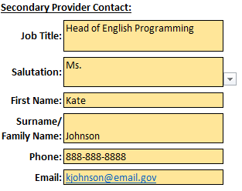
Types of Fields Providers can type information into cells which are colored yellow. Cells with arrows indicate a dropdown where providers can select specific information.
Example:

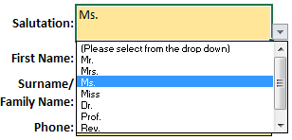

Text boxes highlighted in grey are fields which are auto-calculated. Providers cannot enter any information in these cells as they are locked; however they must validate this information.
Example:

Navigating Between Steps
Click the sheet name at the bottom of the workbook to return to any previous step. If some sheets are not visible, use the arrow buttons to tab over to the desired sheet of the excel workbook.

Printing the Workbook

The proposal is formatted to be printer-friendly. In order to print a hardcopy for reference, open print options and select print entire workbook (pictured below). This will print every step of the proposal as one file.

